TEMPLATE

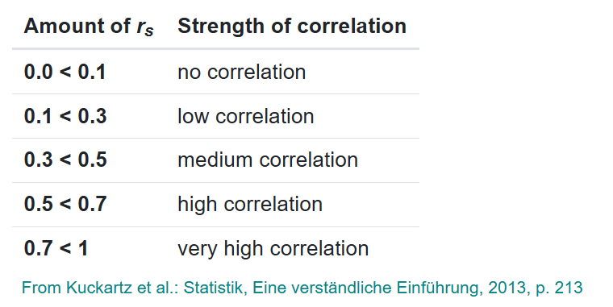
 | Step 1: Insert ranks. |  |  |  |  |  | Step 3: Remove duplicates for each tie's m value. |  |  |  |  | Step 2: Insert ranks for entire search trend history (14 weeks).

 | VARIABLES |  |  |  |  |  |  |  |  |  |  | SEARCH TREND RANKS
COUNTY | DEMOGRAPHIC RANK (VARIABLE X) | TIED RANKS (3 MOS) (VARIABLE Y) | d (VALUE) | d^2 (VALUE) | TIES FOR VARIABLE X? | TIES FOR VARIABLE Y? | m_x (TIE COUNT) | m_y (TIE COUNT) | cf_x (VALUE) | cf_y (VALUE) | AVERAGE SEARCH RANK (3 MOS) | WEEK OF AUG 11 | WEEK OF AUG 18 | WEEK OF AUG 25 | WEEK OF SEP 1 | WEEK OF SEP 8 | WEEK OF SEP 15 | WEEK OF SEP 22 | WEEK OF SEP 29 | WEEK OF OCT 6 | WEEK OF OCT 13 | WEEK OF OCT 20 | WEEK OF OCT 27 | WEEK OF NOV 3 | WEEK OF NOV 10
ADAMS |  | #DIV/0! | #DIV/0! | #DIV/0! | 0 | 1 |  | 67 |  | 25058 | #DIV/0!
ALLEGHENY |  | #DIV/0! | #DIV/0! | #DIV/0! | 0 | 1 |  | 67 |  | 25058 | #DIV/0!
ARMSTRONG |  | #DIV/0! | #DIV/0! | #DIV/0! | 0 | 1 |  | 67 |  | 25058 | #DIV/0!
BEAVER |  | #DIV/0! | #DIV/0! | #DIV/0! | 0 | 1 |  | 67 |  | 25058 | #DIV/0!
BEDFORD |  | #DIV/0! | #DIV/0! | #DIV/0! | 0 | 1 |  | 67 |  | 25058 | #DIV/0!
BERKS |  | #DIV/0! | #DIV/0! | #DIV/0! | 0 | 1 |  | 67 |  | 25058 | #DIV/0!
BLAIR |  | #DIV/0! | #DIV/0! | #DIV/0! | 0 | 1 |  | 67 |  | 25058 | #DIV/0!
BRADFORD |  | #DIV/0! | #DIV/0! | #DIV/0! | 0 | 1 |  | 67 |  | 25058 | #DIV/0!
BUCKS |  | #DIV/0! | #DIV/0! | #DIV/0! | 0 | 1 |  | 67 |  | 25058 | #DIV/0!
BUTLER |  | #DIV/0! | #DIV/0! | #DIV/0! | 0 | 1 |  | 67 |  | 25058 | #DIV/0!
CAMBRIA |  | #DIV/0! | #DIV/0! | #DIV/0! | 0 | 1 |  | 67 |  | 25058 | #DIV/0!
CAMERON |  | #DIV/0! | #DIV/0! | #DIV/0! | 0 | 1 |  | 67 |  | 25058 | #DIV/0!
CARBON |  | #DIV/0! | #DIV/0! | #DIV/0! | 0 | 1 |  | 67 |  | 25058 | #DIV/0!
CENTRE |  | #DIV/0! | #DIV/0! | #DIV/0! | 0 | 1 |  | 67 |  | 25058 | #DIV/0!
CHESTER |  | #DIV/0! | #DIV/0! | #DIV/0! | 0 | 1 |  | 67 |  | 25058 | #DIV/0!
CLARION |  | #DIV/0! | #DIV/0! | #DIV/0! | 0 | 1 |  | 67 |  | 25058 | #DIV/0!
CLEARFIELD |  | #DIV/0! | #DIV/0! | #DIV/0! | 0 | 1 |  | 67 |  | 25058 | #DIV/0!
CLINTON |  | #DIV/0! | #DIV/0! | #DIV/0! | 0 | 1 |  | 67 |  | 25058 | #DIV/0!
COLUMBIA |  | #DIV/0! | #DIV/0! | #DIV/0! | 0 | 1 |  | 67 |  | 25058 | #DIV/0!
CRAWFORD |  | #DIV/0! | #DIV/0! | #DIV/0! | 0 | 1 |  | 67 |  | 25058 | #DIV/0!
CUMBERLAND |  | #DIV/0! | #DIV/0! | #DIV/0! | 0 | 1 |  | 67 |  | 25058 | #DIV/0!
DAUPHIN |  | #DIV/0! | #DIV/0! | #DIV/0! | 0 | 1 |  | 67 |  | 25058 | #DIV/0!
DELAWARE |  | #DIV/0! | #DIV/0! | #DIV/0! | 0 | 1 |  | 67 |  | 25058 | #DIV/0!
ELK |  | #DIV/0! | #DIV/0! | #DIV/0! | 0 | 1 |  | 67 |  | 25058 | #DIV/0!
ERIE |  | #DIV/0! | #DIV/0! | #DIV/0! | 0 | 1 |  | 67 |  | 25058 | #DIV/0!
FAYETTE |  | #DIV/0! | #DIV/0! | #DIV/0! | 0 | 1 |  | 67 |  | 25058 | #DIV/0!
FOREST |  | #DIV/0! | #DIV/0! | #DIV/0! | 0 | 1 |  | 67 |  | 25058 | #DIV/0!
FRANKLIN |  | #DIV/0! | #DIV/0! | #DIV/0! | 0 | 1 |  | 67 |  | 25058 | #DIV/0!
FULTON |  | #DIV/0! | #DIV/0! | #DIV/0! | 0 | 1 |  | 67 |  | 25058 | #DIV/0!
GREENE |  | #DIV/0! | #DIV/0! | #DIV/0! | 0 | 1 |  | 67 |  | 25058 | #DIV/0!
HUNTINGDON |  | #DIV/0! | #DIV/0! | #DIV/0! | 0 | 1 |  | 67 |  | 25058 | #DIV/0!
INDIANA |  | #DIV/0! | #DIV/0! | #DIV/0! | 0 | 1 |  | 67 |  | 25058 | #DIV/0!
JEFFERSON |  | #DIV/0! | #DIV/0! | #DIV/0! | 0 | 1 |  | 67 |  | 25058 | #DIV/0!
JUNIATA |  | #DIV/0! | #DIV/0! | #DIV/0! | 0 | 1 |  | 67 |  | 25058 | #DIV/0!
LACKAWANNA |  | #DIV/0! | #DIV/0! | #DIV/0! | 0 | 1 |  | 67 |  | 25058 | #DIV/0!
LANCASTER |  | #DIV/0! | #DIV/0! | #DIV/0! | 0 | 1 |  | 67 |  | 25058 | #DIV/0!
LAWRENCE |  | #DIV/0! | #DIV/0! | #DIV/0! | 0 | 1 |  | 67 |  | 25058 | #DIV/0!
LEBANON |  | #DIV/0! | #DIV/0! | #DIV/0! | 0 | 1 |  | 67 |  | 25058 | #DIV/0!
LEHIGH |  | #DIV/0! | #DIV/0! | #DIV/0! | 0 | 1 |  | 67 |  | 25058 | #DIV/0!
LUZERNE |  | #DIV/0! | #DIV/0! | #DIV/0! | 0 | 1 |  | 67 |  | 25058 | #DIV/0!
LYCOMING |  | #DIV/0! | #DIV/0! | #DIV/0! | 0 | 1 |  | 67 |  | 25058 | #DIV/0!
MCKEAN |  | #DIV/0! | #DIV/0! | #DIV/0! | 0 | 1 |  | 67 |  | 25058 | #DIV/0!
MERCER |  | #DIV/0! | #DIV/0! | #DIV/0! | 0 | 1 |  | 67 |  | 25058 | #DIV/0!
MIFFLIN |  | #DIV/0! | #DIV/0! | #DIV/0! | 0 | 1 |  | 67 |  | 25058 | #DIV/0!
MONROE |  | #DIV/0! | #DIV/0! | #DIV/0! | 0 | 1 |  | 67 |  | 25058 | #DIV/0!
MONTGOMERY |  | #DIV/0! | #DIV/0! | #DIV/0! | 0 | 1 |  | 67 |  | 25058 | #DIV/0!
MONTOUR |  | #DIV/0! | #DIV/0! | #DIV/0! | 0 | 1 |  | 67 |  | 25058 | #DIV/0!
NORTHAMPTON |  | #DIV/0! | #DIV/0! | #DIV/0! | 0 | 1 |  | 67 |  | 25058 | #DIV/0!
NORTHUMBERLAND |  | #DIV/0! | #DIV/0! | #DIV/0! | 0 | 1 |  | 67 |  | 25058 | #DIV/0!
PERRY |  | #DIV/0! | #DIV/0! | #DIV/0! | 0 | 1 |  | 67 |  | 25058 | #DIV/0!
PHILADELPHIA |  | #DIV/0! | #DIV/0! | #DIV/0! | 0 | 1 |  | 67 |  | 25058 | #DIV/0!
PIKE |  | #DIV/0! | #DIV/0! | #DIV/0! | 0 | 1 |  | 67 |  | 25058 | #DIV/0!
POTTER |  | #DIV/0! | #DIV/0! | #DIV/0! | 0 | 1 |  | 67 |  | 25058 | #DIV/0!
SCHUYLKILL |  | #DIV/0! | #DIV/0! | #DIV/0! | 0 | 1 |  | 67 |  | 25058 | #DIV/0!
SNYDER |  | #DIV/0! | #DIV/0! | #DIV/0! | 0 | 1 |  | 67 |  | 25058 | #DIV/0!
SOMERSET |  | #DIV/0! | #DIV/0! | #DIV/0! | 0 | 1 |  | 67 |  | 25058 | #DIV/0!
SULLIVAN |  | #DIV/0! | #DIV/0! | #DIV/0! | 0 | 1 |  | 67 |  | 25058 | #DIV/0!
SUSQUEHANNA |  | #DIV/0! | #DIV/0! | #DIV/0! | 0 | 1 |  | 67 |  | 25058 | #DIV/0!
TIOGA |  | #DIV/0! | #DIV/0! | #DIV/0! | 0 | 1 |  | 67 |  | 25058 | #DIV/0!
UNION |  | #DIV/0! | #DIV/0! | #DIV/0! | 0 | 1 |  | 67 |  | 25058 | #DIV/0!
VENANGO |  | #DIV/0! | #DIV/0! | #DIV/0! | 0 | 1 |  | 67 |  | 25058 | #DIV/0!
WARREN |  | #DIV/0! | #DIV/0! | #DIV/0! | 0 | 1 |  | 67 |  | 25058 | #DIV/0!
WASHINGTON |  | #DIV/0! | #DIV/0! | #DIV/0! | 0 | 1 |  | 67 |  | 25058 | #DIV/0!
WAYNE |  | #DIV/0! | #DIV/0! | #DIV/0! | 0 | 1 |  | 67 |  | 25058 | #DIV/0!
WESTMORELAND |  | #DIV/0! | #DIV/0! | #DIV/0! | 0 | 1 |  | 67 |  | 25058 | #DIV/0!
WYOMING |  | #DIV/0! | #DIV/0! | #DIV/0! | 0 | 1 |  | 67 |  | 25058 | #DIV/0!
YORK |  | #DIV/0! | #DIV/0! | #DIV/0! | 0 | 1 |  | 67 |  | 25058 | #DIV/0!

 |  |  |  |  |  |  | ATTENTION: You need to manually remove "duplicate" m values, ex. if 6.5 has multiple values of m in columns I and J, you need to manually remove all values that are NOT the first occurrence for that 6.5. If there is a value for 6.5 and 13.5, each of those individual values should have their own m.
 | VALUES
 | SUM OF d^2 (NO cf) | #DIV/0!
 | SUM OF d^2 (w/ CF) | #DIV/0!
 | n | 67
 | SUM OF cf | 1678886
 | r_s | #DIV/0!

R voters v. E results(%)R
 |  | Step 1: Insert ranks. |  |  |  |  |  | Step 3: Remove duplicates for each tie's m value. |  |  |  |  | Step 2: Insert ranks for entire search trend history (14 weeks).

 |  | VARIABLES |  |  |  |  |  |  |  |  |  |  | SEARCH TREND RANKS
 | COUNTY | DEMOGRAPHIC RANK (VARIABLE X) | TIED RANKS (3 MOS) (VARIABLE Y) | d (VALUE) | d^2 (VALUE) | TIES FOR VARIABLE X? | TIES FOR VARIABLE Y? | m_x (TIE COUNT) | m_y (TIE COUNT) | cf_x (VALUE) | cf_y (VALUE) | AVERAGE SEARCH RANK (3 MOS) | R VOTES RANK (MOST TO LEAST) | WEEK OF AUG 18 | WEEK OF AUG 25 | WEEK OF SEP 1 | WEEK OF SEP 8 | WEEK OF SEP 15 | WEEK OF SEP 22 | WEEK OF SEP 29 | WEEK OF OCT 6 | WEEK OF OCT 13 | WEEK OF OCT 20 | WEEK OF OCT 27 | WEEK OF NOV 3 | WEEK OF NOV 10
 | ADAMS | 28 | 39 | -11 | 121 | 0 | 0 |  |  |  |  | 39 | 39
 | ALLEGHENY | 1 | 64 | -63 | 3969 | 0 | 0 |  |  |  |  | 64 | 64
 | ARMSTRONG | 38 | 8 | 30 | 900 | 0 | 0 |  |  |  |  | 8 | 8
 | BEAVER | 22 | 50 | -28 | 784 | 0 | 0 |  |  |  |  | 50 | 50
 | BEDFORD | 40 | 2 | 38 | 1444 | 0 | 0 |  |  |  |  | 2 | 2
 | BERKS | 10 | 53 | -43 | 1849 | 0 | 0 |  |  |  |  | 53 | 53
 | BLAIR | 24 | 23 | 1 | 1 | 0 | 0 |  |  |  |  | 23 | 23
 | BRADFORD | 39 | 15 | 24 | 576 | 0 | 0 |  |  |  |  | 15 | 15
 | BUCKS | 3 | 58 | -55 | 3025 | 0 | 0 |  |  |  |  | 58 | 58
 | BUTLER | 15 | 40 | -25 | 625 | 0 | 0 |  |  |  |  | 40 | 40
 | CAMBRIA | 25 | 30 | -5 | 25 | 0 | 0 |  |  |  |  | 30 | 30
 | CAMERON | 67 | 13 | 54 | 2916 | 0 | 0 |  |  |  |  | 13 | 13
 | CARBON | 41 | 37 | 4 | 16 | 0 | 0 |  |  |  |  | 37 | 37
 | CENTRE | 27 | 60 | -33 | 1089 | 0 | 0 |  |  |  |  | 60 | 60
 | CHESTER | 6 | 63 | -57 | 3249 | 0 | 0 |  |  |  |  | 63 | 63
 | CLARION | 54 | 10 | 44 | 1936 | 0 | 0 |  |  |  |  | 10 | 10
 | CLEARFIELD | 35 | 11 | 24 | 576 | 0 | 0 |  |  |  |  | 11 | 11
 | CLINTON | 57 | 28 | 29 | 841 | 0 | 0 |  |  |  |  | 28 | 28
 | COLUMBIA | 43 | 42 | 1 | 1 | 0 | 0 |  |  |  |  | 42 | 42
 | CRAWFORD | 34 | 31 | 3 | 9 | 0 | 0 |  |  |  |  | 31 | 31
 | CUMBERLAND | 12 | 54 | -42 | 1764 | 0 | 0 |  |  |  |  | 54 | 54
 | DAUPHIN | 16 | 62 | -46 | 2116 | 0 | 0 |  |  |  |  | 62 | 62
 | DELAWARE | 7 | 66 | -59 | 3481 | 0 | 0 |  |  |  |  | 66 | 66
 | ELK | 58 | 19 | 39 | 1521 | 0 | 0 |  |  |  |  | 19 | 19
 | ERIE | 18 | 56 | -38 | 1444 | 0 | 0 |  |  |  |  | 56 | 56
 | FAYETTE | 30 | 34 | -4 | 16 | 0 | 0 |  |  |  |  | 34 | 34
 | FOREST | 66 | 21 | 45 | 2025 | 0 | 0 |  |  |  |  | 21 | 21
 | FRANKLIN | 19 | 24 | -5 | 25 | 0 | 0 |  |  |  |  | 24 | 24
 | FULTON | 63 | 1 | 62 | 3844 | 0 | 0 |  |  |  |  | 1 | 1
 | GREENE | 59 | 22 | 37 | 1369 | 0 | 0 |  |  |  |  | 22 | 22
 | HUNTINGDON | 48 | 9 | 39 | 1521 | 0 | 0 |  |  |  |  | 9 | 9
 | INDIANA | 37 | 33 | 4 | 16 | 0 | 0 |  |  |  |  | 33 | 33
 | JEFFERSON | 47 | 5 | 42 | 1764 | 0 | 0 |  |  |  |  | 5 | 5
 | JUNIATA | 61 | 4 | 57 | 3249 | 0 | 0 |  |  |  |  | 4 | 4
 | LACKAWANNA | 23 | 59 | -36 | 1296 | 0 | 0 |  |  |  |  | 59 | 59
 | LANCASTER | 4 | 52 | -48 | 2304 | 0 | 0 |  |  |  |  | 52 | 52
 | LAWRENCE | 36 | 38 | -2 | 4 | 0 | 0 |  |  |  |  | 38 | 38
 | LEBANON | 20 | 41 | -21 | 441 | 0 | 0 |  |  |  |  | 41 | 41
 | LEHIGH | 11 | 61 | -50 | 2500 | 0 | 0 |  |  |  |  | 61 | 61
 | LUZERNE | 13 | 51 | -38 | 1444 | 0 | 0 |  |  |  |  | 51 | 51
 | LYCOMING | 26 | 27 | -1 | 1 | 0 | 0 |  |  |  |  | 27 | 27
 | MCKEAN | 52 | 17 | 35 | 1225 | 0 | 0 |  |  |  |  | 17 | 17
 | MERCER | 31 | 43 | -12 | 144 | 0 | 0 |  |  |  |  | 43 | 43
 | MIFFLIN | 49 | 7 | 42 | 1764 | 0 | 0 |  |  |  |  | 7 | 7
 | MONROE | 29 | 57 | -28 | 784 | 0 | 0 |  |  |  |  | 57 | 57
 | MONTGOMERY | 2 | 65 | -63 | 3969 | 0 | 0 |  |  |  |  | 65 | 65
 | MONTOUR | 64 | 49 | 15 | 225 | 0 | 0 |  |  |  |  | 49 | 49
 | NORTHAMPTON | 14 | 55 | -41 | 1681 | 0 | 0 |  |  |  |  | 55 | 55
 | NORTHUMBERLAND | 33 | 29 | 4 | 16 | 0 | 0 |  |  |  |  | 29 | 29
 | PERRY | 45 | 14 | 31 | 961 | 0 | 0 |  |  |  |  | 14 | 14
 | PHILADELPHIA | 8 | 67 | -59 | 3481 | 0 | 0 |  |  |  |  | 67 | 67
 | PIKE | 42 | 47 | -5 | 25 | 0 | 0 |  |  |  |  | 47 | 47
 | POTTER | 62 | 3 | 59 | 3481 | 0 | 0 |  |  |  |  | 3 | 3
 | SCHUYLKILL | 21 | 26 | -5 | 25 | 0 | 0 |  |  |  |  | 26 | 26
 | SNYDER | 53 | 16 | 37 | 1369 | 0 | 0 |  |  |  |  | 16 | 16
 | SOMERSET | 32 | 6 | 26 | 676 | 0 | 0 |  |  |  |  | 6 | 6
 | SULLIVAN | 65 | 18 | 47 | 2209 | 0 | 0 |  |  |  |  | 18 | 18
 | SUSQUEHANNA | 51 | 20 | 31 | 961 | 0 | 0 |  |  |  |  | 20 | 20
 | TIOGA | 50 | 12 | 38 | 1444 | 0 | 0 |  |  |  |  | 12 | 12
 | UNION | 56 | 48 | 8 | 64 | 0 | 0 |  |  |  |  | 48 | 48
 | VENANGO | 46 | 25 | 21 | 441 | 0 | 0 |  |  |  |  | 25 | 25
 | WARREN | 55 | 32 | 23 | 529 | 0 | 0 |  |  |  |  | 32 | 32
 | WASHINGTON | 17 | 45 | -28 | 784 | 0 | 0 |  |  |  |  | 45 | 45
 | WAYNE | 44 | 35 | 9 | 81 | 0 | 0 |  |  |  |  | 35 | 35
 | WESTMORELAND | 9 | 44 | -35 | 1225 | 0 | 0 |  |  |  |  | 44 | 44
 | WYOMING | 60 | 36 | 24 | 576 | 0 | 0 |  |  |  |  | 36 | 36
 | YORK | 5 | 46 | -41 | 1681 | 0 | 0 |  |  |  |  | 46 | 46
# of Unique Values | 67 | 67 | 67
 |  |  |  |  |  |  |  | ATTENTION: You need to manually remove "duplicate" m values, ex. if 6.5 has multiple values of m in columns I and J, you need to manually remove all values that are NOT the first occurrence for that 6.5. If there is a value for 6.5 and 13.5, each of those individual values should have their own m.
 |  | VALUES
 |  | SUM OF d^2 (NO cf) | 85918
 |  | SUM OF d^2 (w/ CF) | 85918
 |  | n | 67
 |  | SUM OF cf | 0 |  | Using Google Sheet's Pearson Product Correlation Function:
 |  | r_s | -0.713995026 |  | -0.7143826323

Rank Relations by County
 |  |  |  |  |  | Images here are from https://www.scribbr.com/statistics/correlation-coefficient/
 |  |  |  |  |  | Correlations: The perfect correlations are monotonic. The zero correlation is nonmonotonic.
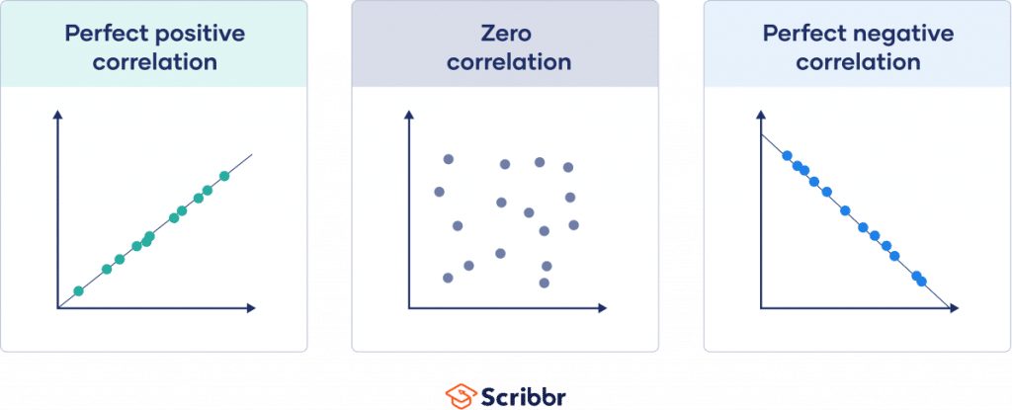

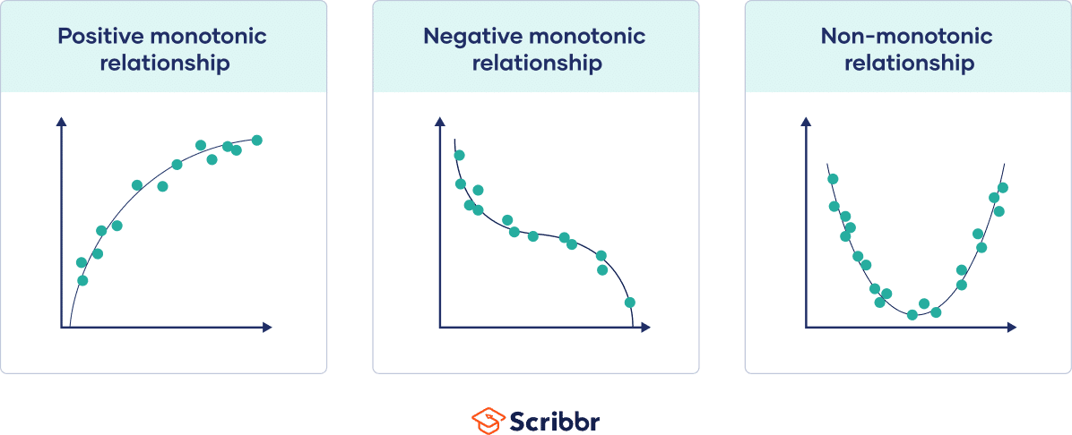
 |  |  |  |  |  | Monotonic Relationships: All three charts show high correlations.

